Cover


Tesla
Company analysis

Drivers
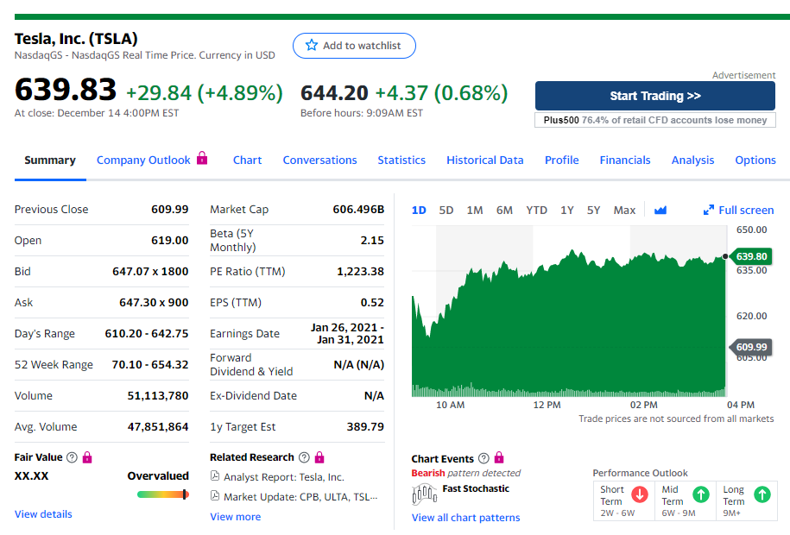
Drivers

Selected case | 2
Company | Tesla
Currency | USD
Domestic country | United States
10-year treasury yield (Sep 18 2020) | 0.70%
Market risk premium US | 5%
Company beta (Dec 15 2020) | 2.15
Tesla share price (Dec 15 2020) | 639.83
Bond Yield (Sep 18 2020) | 4.32%
Corporate tax rate | 21%
Expected inflation | 2%

